Native ExamOverall
 | DeID | Transfer Status | Overall Grade | Final Exam
0 | 00T90APX | FALSE | 0.959166667 | 0.883333333
1 | 025LQFB2 | FALSE | 0.943173077 | 0.875 | Overall Grade
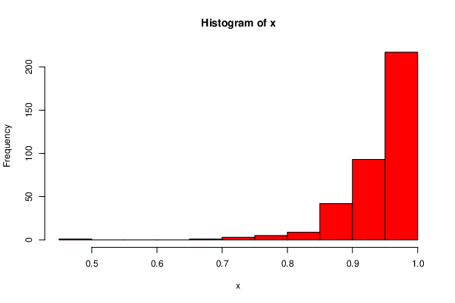
2 | 039HIM2X | FALSE | 0.975942308 | 0.958333333 |  | Final Exam
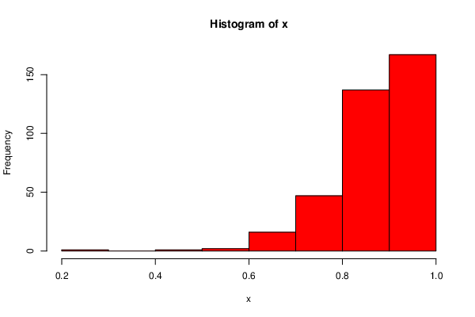
3 | 04T56IGQ | FALSE | 0.99125 | 0.975
4 | 06HH1YB1 | FALSE | 0.911442308 | 0.791666667
5 | 06SPWR8K | FALSE | 0.962833333 | 0.891666667
6 | 0BN8B3XC | FALSE | 0.941666667 | 0.833333333
7 | 0HTK8PFK | FALSE | 0.889166667 | 0.683333333
8 | 0R0SO5DC | FALSE | 0.956596154 | 0.958333333
9 | 0SE59GTA | FALSE | 0.984333333 | 0.983333333
10 | 0SM3FBZU | FALSE | 0.967916667 | 0.908333333
11 | 0W57L40H | FALSE | 0.988333333 | 0.966666667
12 | 0WM0GY4D | FALSE | 0.968621795 | 0.925
13 | 0X8PYQ4D | FALSE | 0.953358974 | 0.916666667
14 | 0ZOW1CTF | FALSE | 0.912474359 | 0.783333333
15 | 15744TIQ | FALSE | 0.983205128 | 0.966666667
16 | 160WYO75 | FALSE | 0.94948718 | 0.866666667
17 | 1D1E0V9Y | FALSE | 0.944839744 | 0.908333333
18 | 1IUV9L4L | FALSE | 0.966410256 | 0.933333333
19 | 1OPNH8SQ | FALSE | 0.929903846 | 0.825
21 | 1UE87VGK | FALSE | 0.968974359 | 0.933333333
22 | 1VKNOGXE | FALSE | 0.94948718 | 0.866666667
23 | 20S2GW67 | FALSE | 0.705416667 | 0.691666667
24 | 23FBF5ZK | FALSE | 0.956583333 | 0.925
25 | 2415U5HW | FALSE | 0.965705128 | 0.916666667
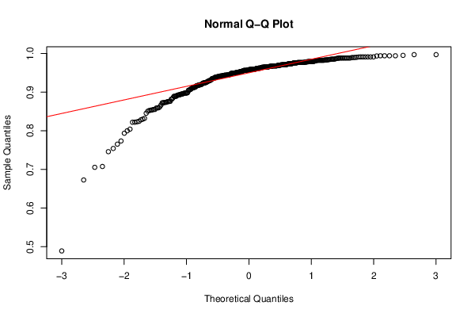
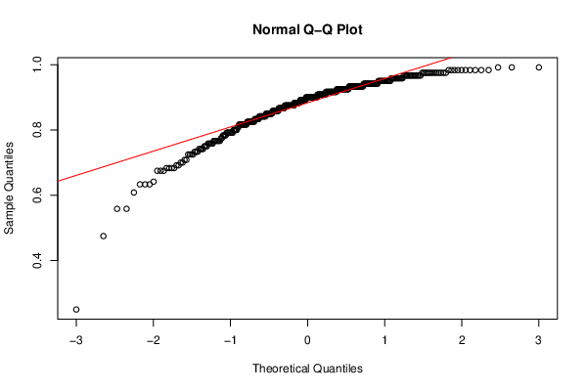
26 | 24BDNUJO | FALSE | 0.941666667 | 0.833333333
27 | 29RNQBXT | FALSE | 0.958942308 | 0.908333333
28 | 2AOOPE6X | FALSE | 0.968 | 0.9
29 | 2CF4E7N4 | FALSE | 0.944820513 | 0.858333333
30 | 2HELLID0 | FALSE | 0.965 | 0.9
31 | 2NCHX18N | FALSE | 0.985416667 | 0.958333333
32 | 2UFEU1S4 | FALSE | 0.965 | 0.9
33 | 2WGSFPPQ | FALSE | 0.980070513 | 0.958333333
34 | 2WJNGFQI | FALSE | 0.978653846 | 0.95
35 | 2Y738NJC | FALSE | 0.985416667 | 0.958333333
36 | 3400ZZCN | FALSE | 0.945945513 | 0.833333333
37 | 375YR0ZE | FALSE | 0.872724359 | 0.725
38 | 38XKK29O | FALSE | 0.994166667 | 0.983333333
39 | 39LWOEGP | FALSE | 0.96198718 | 0.916666667
40 | 3ABM703H | FALSE | 0.988333333 | 0.966666667
42 | 3E9Y8FGW | FALSE | 0.959166667 | 0.883333333
44 | 3MI3MIM3 | FALSE | 0.793685897 | 0.675
45 | 444NNDQU | FALSE | 0.872291667 | 0.633333333
46 | 48ZM3CJ6 | FALSE | 0.925865385 | 0.841666667
47 | 4C49BFV0 | FALSE | 0.95073718 | 0.866666667
48 | 4K4JYPOJ | FALSE | 0.978653846 | 0.95
49 | 4PWEGCZU | FALSE | 0.893294872 | 0.816666667
50 | 4RJCODX4 | FALSE | 0.949532051 | 0.908333333
51 | 4S8JR9MI | FALSE | 0.981217949 | 0.95
52 | 4XLXHEJP | FALSE | 0.987403846 | 0.975
54 | 536BFF3Z | FALSE | 0.9825 | 0.95
55 | 5LBXQ90G | FALSE | 0.993666667 | 0.983333333
56 | 5PPUBG7L | FALSE | 0.970442308 | 0.958333333
57 | 5QE633Z6 | FALSE | 0.929070513 | 0.808333333
58 | 5QM92OYM | FALSE | 0.950416667 | 0.858333333
59 | 5S1IFPX0 | FALSE | 0.965 | 0.9
60 | 5S9C91DZ | FALSE | 0.966057692 | 0.925
61 | 5TXY5KJF | FALSE | 0.988333333 | 0.966666667
62 | 5UVDZ8E6 | FALSE | 0.950416667 | 0.858333333
63 | 5X535PUB | FALSE | 0.872916667 | 0.875
64 | 5Y5Y4I58 | FALSE | 0.918108974 | 0.791666667
65 | 5YJR6779 | FALSE | 0.970833333 | 0.916666667
67 | 67B4T3PX | FALSE | 0.866864802 | 0.766666667
68 | 67RUW69T | FALSE | 0.95275641 | 0.883333333
69 | 68UCZN72 | FALSE | 0.913205128 | 0.766666667
70 | 6BDOXKF0 | FALSE | 0.9645 | 0.9
71 | 6O2AKGTY | FALSE | 0.97025641 | 0.933333333
72 | 6UI4XM4H | FALSE | 0.989791667 | 0.958333333
73 | 6USQ2LIS | FALSE | 0.948557692 | 0.875
74 | 730VZVCF | FALSE | 0.95823718 | 0.866666667
75 | 7398BTMK | FALSE | 0.95498718 | 0.916666667
76 | 752ERZXT | FALSE | 0.959166667 | 0.883333333
77 | 79V4GIDP | FALSE | 0.927403846 | 0.825
78 | 7EALULTB | FALSE | 0.921378205 | 0.891666667
79 | 7IA9N0JT | FALSE | 0.9825 | 0.95
80 | 7JEQU448 | FALSE | 0.944583333 | 0.841666667
81 | 7JWSZIV3 | FALSE | 0.928826923 | 0.875
82 | 7LKPRJ90 | FALSE | 0.672660256 | 0.475
83 | 7MZBLW9A | FALSE | 0.904455128 | 0.758333333
84 | 7N1DPFTJ | FALSE | 0.953461539 | 0.9
85 | 7OUB957G | FALSE | 0.919519231 | 0.891666667
87 | 7SDCLDQ0 | FALSE | 0.942416667 | 0.858333333
88 | 7TBRBV70 | FALSE | 0.925474359 | 0.816666667
89 | 7TI37Z1O | FALSE | 0.87599359 | 0.741666667
90 | 7TQ8F96L | FALSE | 0.889166667 | 0.683333333
91 | 81T1RYMQ | FALSE | 0.967916667 | 0.908333333
92 | 81WB17Q2 | FALSE | 0.954166667 | 0.916666667
93 | 83ZMD8NA | FALSE | 0.765397436 | 0.7
94 | 844S1LA1 | FALSE | 0.96975 | 0.925
95 | 8BABANR7 | FALSE | 0.823179487 | 0.675
96 | 8DBE2BX3 | FALSE | 0.923365385 | 0.825
98 | 8J2BI09C | FALSE | 0.893717949 | 0.766666667
99 | 8JDTYA8W | FALSE | 0.938903846 | 0.875
100 | 8N8PFKI9 | FALSE | 0.909307692 | 0.8
101 | 8W88RMO0 | FALSE | 0.959358974 | 0.966666667
102 | 8WNB5J54 | FALSE | 0.859615385 | 0.766666667
104 | 8ZK3CV0R | FALSE | 0.918125 | 0.75
105 | 90AW84Z9 | FALSE | 0.905 | 0.766666667
106 | 95W6GFNC | FALSE | 0.931653846 | 0.85
107 | 98ZNQL5B | FALSE | 0.96825 | 0.925
108 | 9BEW0QE8 | FALSE | 0.950416667 | 0.858333333
109 | 9JLPL9R4 | FALSE | 0.97575 | 0.9
110 | 9NDL30YL | FALSE | 0.95823718 | 0.891666667
111 | 9UXT7U6N | FALSE | 0.965 | 0.9
112 | A25KCJJH | FALSE | 0.930705128 | 0.816666667
113 | A6G1EMLF | FALSE | 0.943961539 | 0.916666667
114 | AGD9RVE1 | FALSE | 0.969326923 | 0.941666667
115 | AKOR9PKT | FALSE | 0.997083333 | 0.991666667
118 | AV01GHZV | FALSE | 0.93875 | 0.825
119 | AW8ZGDHY | FALSE | 0.982275641 | 0.975
120 | AX679G5K | FALSE | 0.997083333 | 0.991666667
121 | AY3UXXNX | FALSE | 0.799965035 | 0.633333333
122 | AYF541E4 | FALSE | 0.994166667 | 0.983333333
123 | AZVHMZIP | FALSE | 0.987333333 | 0.966666667
124 | B5XCWMRS | FALSE | 0.980923077 | 0.966666667
125 | B6D5CLH7 | FALSE | 0.95625 | 0.875
126 | B6HJ2NFX | FALSE | 0.85525641 | 0.833333333
127 | B77NYVKS | FALSE | 0.967916667 | 0.908333333
130 | BER3EZLO | FALSE | 0.959166667 | 0.883333333
131 | BNL9HW74 | FALSE | 0.985416667 | 0.958333333
133 | BZY4I7UG | FALSE | 0.989391026 | 0.991666667
134 | C3ZU1880 | FALSE | 0.989583333 | 0.966666667
135 | C4Q6FVEM | FALSE | 0.967916667 | 0.908333333
136 | C5VFLHRV | FALSE | 0.977685897 | 0.925
137 | CASLR734 | FALSE | 0.97375 | 0.925
138 | CD7C5ADY | FALSE | 0.956538462 | 0.9
139 | CEAYEXKN | FALSE | 0.99125 | 0.975
140 | CEPR55Y6 | FALSE | 0.911698718 | 0.791666667
141 | CFRBPSR5 | FALSE | 0.915394231 | 0.816666667
142 | CHFK0WKI | FALSE | 0.885224359 | 0.741666667
144 | CMDXZ9T8 | FALSE | 0.976666667 | 0.933333333
146 | CRCPESIQ | FALSE | 0.958365385 | 0.925
147 | CRTR337V | FALSE | 0.988333333 | 0.966666667
148 | CU08FQEM | FALSE | 0.92375 | 0.791666667
149 | CUZ31GMF | FALSE | 0.94948718 | 0.866666667
150 | CX4S8KP0 | FALSE | 0.9825 | 0.95
151 | CXRSIPFE | FALSE | 0.939807692 | 0.85
152 | CYSC0I9G | FALSE | 0.875269231 | 0.85
153 | CZYY0I6E | FALSE | 0.994166667 | 0.983333333
154 | D3W394IS | FALSE | 0.93475 | 0.825
155 | DAEVUD7Y | FALSE | 0.924102564 | 0.8
157 | DFJ88U83 | FALSE | 0.822198718 | 0.741666667
158 | DU5HGDGG | FALSE | 0.94948718 | 0.866666667
159 | DUEXZIOT | FALSE | 0.976166667 | 0.933333333
160 | DXMJHJR1 | FALSE | 0.970625 | 0.9
161 | E2C4HPJN | FALSE | 0.754248835 | 0.725
162 | E8LJ1O9C | FALSE | 0.853967949 | 0.841666667
163 | E9OS3UUZ | FALSE | 0.964070513 | 0.908333333
164 | EC4ETCT2 | FALSE | 0.943653846 | 0.85
166 | EGK8K8EO | FALSE | 0.941333333 | 0.866666667
168 | EHKI77UM | FALSE | 0.95948718 | 0.933333333
170 | EQ3NFELM | FALSE | 0.95625 | 0.875
171 | EQ9YUPPT | FALSE | 0.969570513 | 0.958333333
172 | F2ZGQHKK | FALSE | 0.94050641 | 0.875
173 | F9GQFQME | FALSE | 0.970833333 | 0.916666667
174 | FCQM18WR | FALSE | 0.985416667 | 0.958333333
175 | FFPBOL9F | FALSE | 0.962083333 | 0.891666667
176 | FJHUCWVU | FALSE | 0.962211539 | 0.925
177 | FM8NCCEG | FALSE | 0.967339744 | 0.925
178 | FPMFD11M | FALSE | 0.897801282 | 0.791666667
179 | FPMFD11M | FALSE | 0.897801282 | 0.791666667
181 | G5FXG42W | FALSE | 0.95625 | 0.875
182 | G7HYDJ59 | FALSE | 0.94948718 | 0.866666667
183 | GJCTKRYF | FALSE | 0.97573718 | 0.941666667
184 | GKNQJF3T | FALSE | 0.976666667 | 0.933333333
186 | GXLCPYX3 | FALSE | 0.955320513 | 0.883333333
187 | GYPY23EK | FALSE | 0.970833333 | 0.916666667
189 | H1QX6RF6 | FALSE | 0.955096154 | 0.908333333
190 | H2R21RKY | FALSE | 0.939583333 | 0.841666667
192 | H4JOUY7C | FALSE | 0.488962121 | 0.25
193 | H4KPBDSY | FALSE | 0.91248718 | 0.816666667
194 | H4OFBK8W | FALSE | 0.957307692 | 0.9
195 | HC9R348V | FALSE | 0.979583333 | 0.941666667
196 | HEYT689K | FALSE | 0.951057692 | 0.891666667
197 | HLZOFQMO | FALSE | 0.990320513 | 0.983333333
198 | HN68L8BK | FALSE | 0.959166667 | 0.883333333
199 | HS8GAEER | FALSE | 0.89875 | 0.825
201 | HUSTM4OL | FALSE | 0.919217949 | 0.8
202 | I3J5UM2E | FALSE | 0.984967949 | 0.95
203 | I45T2EY1 | FALSE | 0.976666667 | 0.933333333
204 | I5866T1F | FALSE | 0.959166667 | 0.883333333
205 | I8ICTXVH | FALSE | 0.895 | 0.7
206 | I9D8OUBP | FALSE | 0.969903846 | 0.925
207 | IEIREVD4 | FALSE | 0.983557692 | 0.975
208 | IF6IEHAP | FALSE | 0.94386218 | 0.841666667
209 | IGY8YJ8D | FALSE | 0.873942308 | 0.741666667
210 | IQ25P2RY | FALSE | 0.960224359 | 0.908333333
211 | IU6ZY90V | FALSE | 0.994166667 | 0.983333333
212 | J19UPGGR | FALSE | 0.892083333 | 0.758333333
214 | J4JSMCD3 | FALSE | 0.97375 | 0.925
215 | J59AC069 | FALSE | 0.970833333 | 0.916666667
216 | J8ZQZGFD | FALSE | 0.943653846 | 0.85
217 | JCGCRO1D | FALSE | 0.964070513 | 0.908333333
218 | JF4UESHX | FALSE | 0.974583333 | 0.975
219 | JGLIT8H3 | FALSE | 0.946217949 | 0.85
220 | JGRIUIGU | FALSE | 0.9825 | 0.95
222 | JPQTPUP8 | FALSE | 0.965705128 | 0.916666667
223 | K103A3L7 | FALSE | 0.95823718 | 0.891666667
224 | KBRRJEEA | FALSE | 0.979583333 | 0.941666667
225 | KD8KMML4 | FALSE | 0.983557692 | 0.975
226 | KEGUL7GH | FALSE | 0.957820513 | 0.9
227 | KM958DJ2 | FALSE | 0.858878205 | 0.725
228 | KNQUYVVG | FALSE | 0.9825 | 0.95
229 | KOWJ12PK | FALSE | 0.773570513 | 0.758333333
231 | KXQJWYBH | FALSE | 0.951458333 | 0.841666667
232 | L6XR3I1M | FALSE | 0.85073718 | 0.641666667
233 | LFWQMZUU | FALSE | 0.967916667 | 0.908333333
234 | LLGWGXCK | FALSE | 0.935333333 | 0.816666667
235 | LLOX2CM2 | FALSE | 0.991153846 | 0.975
236 | LST1MZUH | FALSE | 0.964519231 | 0.925
237 | M1Q6RXWD | FALSE | 0.964070513 | 0.908333333
240 | M9DPDSDS | FALSE | 0.97573718 | 0.941666667
241 | MAIYX900 | FALSE | 0.924519231 | 0.858333333
243 | MF6VJ7IO | FALSE | 0.976666667 | 0.933333333
244 | MLL8FGT5 | FALSE | 0.970833333 | 0.916666667
245 | MLXQX0UO | FALSE | 0.873538462 | 0.816666667
246 | MMUG8ITK | FALSE | 0.961153846 | 0.9
247 | MTQF8LFD | FALSE | 0.745910256 | 0.8
248 | MZBNHLD2 | FALSE | 0.845416667 | 0.558333333
249 | N3W6AUS2 | FALSE | 0.941666667 | 0.833333333
250 | N6K1UWWK | FALSE | 0.976666667 | 0.933333333
251 | N837R75L | FALSE | 0.959166667 | 0.883333333
252 | N8AP3S2F | FALSE | 0.979583333 | 0.941666667
253 | NBQOEBRG | FALSE | 0.853403846 | 0.708333333
254 | NDUY95ZA | FALSE | 0.94323718 | 0.858333333
255 | NE5H1WQN | FALSE | 0.949134615 | 0.858333333
256 | NFGQ25NB | FALSE | 0.946294872 | 0.933333333
258 | NUMKARTS | FALSE | 0.939967949 | 0.841666667
259 | NX0F8D9D | FALSE | 0.966762821 | 0.941666667
260 | NXJMU3I1 | FALSE | 0.942653846 | 0.916666667
261 | NY18U5HV | FALSE | 0.908108974 | 0.791666667
262 | O1K5UQP6 | FALSE | 0.892211539 | 0.725
263 | O2PIZLWG | FALSE | 0.923916667 | 0.841666667
264 | O39Y1M5J | FALSE | 0.970833333 | 0.916666667
265 | OD90TH1R | FALSE | 0.971891026 | 0.941666667
267 | OFSNCJHW | FALSE | 0.979583333 | 0.941666667
268 | ONLNSC9K | FALSE | 0.973141026 | 0.941666667
270 | OO4IFUKO | FALSE | 0.952403846 | 0.875
271 | OUSNHJE3 | FALSE | 0.986474359 | 0.983333333
272 | OXJ21NVR | FALSE | 0.967557692 | 0.975
273 | P1APVGD1 | FALSE | 0.952403846 | 0.875
274 | P1HDL2YF | FALSE | 0.976666667 | 0.933333333
275 | P2VZFEM1 | FALSE | 0.889596154 | 0.791666667
276 | P97FXTQ0 | FALSE | 0.995166667 | 0.983333333
277 | PCLXPIBE | FALSE | 0.948076923 | 0.9
278 | PDVLW9AY | FALSE | 0.95625 | 0.875
279 | PE4C5TTJ | FALSE | 0.893216783 | 0.883333333
280 | PMEYFPO5 | FALSE | 0.943653846 | 0.85
281 | PNXESG5J | FALSE | 0.956166667 | 0.9
282 | PPBYTTI0 | FALSE | 0.95948718 | 0.933333333
283 | PRUMN31M | FALSE | 0.961153846 | 0.9
284 | PSF0Y7Z1 | FALSE | 0.936224359 | 0.941666667
285 | PUH7FKPB | FALSE | 0.896274359 | 0.766666667
287 | PVPKPE4T | FALSE | 0.962083333 | 0.891666667
288 | Q0DQG3EO | FALSE | 0.961705128 | 0.916666667
289 | QF3ZLX4U | FALSE | 0.918884615 | 0.85
290 | QHLTFPGE | FALSE | 0.959166667 | 0.883333333
291 | QHU29BZ4 | FALSE | 0.906666667 | 0.733333333
292 | QK2GNEFP | FALSE | 0.970833333 | 0.916666667
293 | QK5C4LZA | FALSE | 0.97375 | 0.925
294 | QL6D1NHY | FALSE | 0.95625 | 0.875
295 | QMK52F0K | FALSE | 0.979583333 | 0.941666667
296 | QN2ZVRG4 | FALSE | 0.941666667 | 0.833333333
297 | QNPG5PZG | FALSE | 0.830176282 | 0.683333333
299 | QPZ54UIJ | FALSE | 0.99125 | 0.975
300 | QQY4TDRK | FALSE | 0.889166667 | 0.683333333
301 | QS5SWNCC | FALSE | 0.939391026 | 0.858333333
303 | QUO9ZUZA | FALSE | 0.988333333 | 0.966666667
304 | QWFDI295 | FALSE | 0.979583333 | 0.941666667
305 | QYSD6R7Y | FALSE | 0.97375 | 0.925
306 | R6F4YUZN | FALSE | 0.881903846 | 0.675
308 | RAW5YJ7H | FALSE | 0.944583333 | 0.841666667
309 | REDEQ352 | FALSE | 0.963458333 | 0.866666667
311 | ROMOHBHI | FALSE | 0.976666667 | 0.933333333
312 | ROW1MOWD | FALSE | 0.917028846 | 0.75
313 | RPU4T330 | FALSE | 0.943942308 | 0.875
314 | S6URQGZR | FALSE | 0.941666667 | 0.833333333
315 | S8U46GSN | FALSE | 0.95625 | 0.875
316 | SCHH40OF | FALSE | 0.979583333 | 0.941666667
317 | SF42J7L0 | FALSE | 0.97375 | 0.925
318 | SFFKFQKF | FALSE | 0.961153846 | 0.9
319 | SGOJ20T7 | FALSE | 0.822060897 | 0.733333333
321 | SO9YPH4M | FALSE | 0.971538462 | 0.933333333
322 | SSUCGTMX | FALSE | 0.983141026 | 0.983333333
323 | T3I097M0 | FALSE | 0.984278846 | 0.95
324 | T3TMFQEV | FALSE | 0.967916667 | 0.908333333
325 | T9GH6TKN | FALSE | 0.979583333 | 0.941666667
326 | TA64R2X0 | FALSE | 0.828477564 | 0.825
327 | TG87Q3VG | FALSE | 0.906666667 | 0.733333333
328 | TPYH7EQ1 | FALSE | 0.87625 | 0.775
329 | TQ4P5ZBW | FALSE | 0.897467949 | 0.758333333
330 | TS43G0G5 | FALSE | 0.9645 | 0.9
331 | TS9XIOZQ | FALSE | 0.966570513 | 0.925
332 | TTN357OH | FALSE | 0.944038462 | 0.916666667
333 | TUZF1RV7 | FALSE | 0.976666667 | 0.933333333
334 | TXIT0FZE | FALSE | 0.965 | 0.9
335 | TZSP3EQZ | FALSE | 0.988333333 | 0.966666667
336 | U8YHAGJY | FALSE | 0.976666667 | 0.933333333
337 | UC44NS0R | FALSE | 0.707621795 | 0.691666667
338 | UD9J1JHJ | FALSE | 0.988333333 | 0.966666667
339 | UEJWXXJ6 | FALSE | 0.91873718 | 0.841666667
340 | UEM84HQ4 | FALSE | 0.895705128 | 0.783333333
341 | UGZ5LG7S | FALSE | 0.935961539 | 0.85
342 | UHRZJQYM | FALSE | 0.949865385 | 0.941666667
343 | UHXWV6K7 | FALSE | 0.967692308 | 0.933333333
344 | UIDXUV33 | FALSE | 0.911101399 | 0.816666667
346 | UN1GWK91 | FALSE | 0.895051282 | 0.75
348 | UV6VCTJW | FALSE | 0.966839744 | 0.958333333
349 | V3Q4PK8P | FALSE | 0.99125 | 0.975
350 | V9FI5E3T | FALSE | 0.953333333 | 0.866666667
351 | VBBXY022 | FALSE | 0.950673077 | 0.925
352 | VBVOITA3 | FALSE | 0.952403846 | 0.875
353 | VHYK0K4W | FALSE | 0.832179487 | 0.633333333
354 | VKX40J0G | FALSE | 0.9775 | 0.925
355 | VNT2FOAN | FALSE | 0.875717949 | 0.766666667
356 | VSFX8WDH | FALSE | 0.965 | 0.9
357 | VVP0Z577 | FALSE | 0.9825 | 0.95
358 | VZP5UX8D | FALSE | 0.969503205 | 0.933333333
359 | W0RGJPWU | FALSE | 0.965 | 0.9
360 | WADIT812 | FALSE | 0.93875 | 0.825
361 | WAK36XTL | FALSE | 0.950416667 | 0.858333333
362 | WD1Y0D0O | FALSE | 0.965 | 0.9
363 | WEV1DKKB | FALSE | 0.99125 | 0.975
364 | WG9LZ2PE | FALSE | 0.944583333 | 0.841666667
365 | WIJBE0VC | FALSE | 0.982 | 0.95
366 | WIP8OPTC | FALSE | 0.9825 | 0.95
367 | WJHVWTRD | FALSE | 0.97573718 | 0.941666667
368 | WKOTQPIW | FALSE | 0.977291667 | 0.933333333
370 | WQTI5MD3 | FALSE | 0.9825 | 0.95
371 | WT4R5XQV | FALSE | 0.91698718 | 0.783333333
372 | WV6C011F | FALSE | 0.941083333 | 0.858333333
373 | WZ65QIPR | FALSE | 0.967916667 | 0.908333333
374 | WZNOSZDY | FALSE | 0.962083333 | 0.891666667
375 | X5YFN4ZV | FALSE | 0.862339744 | 0.758333333
376 | XB227UJY | FALSE | 0.962083333 | 0.891666667
377 | XBWWWXYK | FALSE | 0.970833333 | 0.916666667
378 | XGAIT1CM | FALSE | 0.824455128 | 0.608333333
379 | XLRWNY4B | FALSE | 0.932307692 | 0.866666667
380 | XMJ9PBLS | FALSE | 0.97573718 | 0.941666667
381 | XMKBX4EV | FALSE | 0.970833333 | 0.916666667
382 | XQYBKOOQ | FALSE | 0.988333333 | 0.966666667
383 | XVKSVGT8 | FALSE | 0.972333333 | 0.941666667
384 | XX6E4OLP | FALSE | 0.937467949 | 0.825
385 | XYTPMCCK | FALSE | 0.988333333 | 0.966666667
386 | Y0DDFBCB | FALSE | 0.92125 | 0.775
387 | Y1NYD49Y | FALSE | 0.852637529 | 0.783333333
388 | Y2QVXN14 | FALSE | 0.975384615 | 0.933333333
389 | Y2ZGFCA9 | FALSE | 0.804271562 | 0.816666667
390 | Y6AFAJ2D | FALSE | 0.977724359 | 0.958333333
391 | YDSPAVX9 | FALSE | 0.882519231 | 0.875
392 | YEUWO3XN | FALSE | 0.976666667 | 0.933333333
393 | YEX5QRPA | FALSE | 0.973173077 | 0.941666667
394 | YIVZ1QDZ | FALSE | 0.93 | 0.8
395 | YJO2IGQN | FALSE | 0.897416667 | 0.708333333
396 | YL2ST8OD | FALSE | 0.934903846 | 0.825
397 | YMPVK89K | FALSE | 0.99125 | 0.975
398 | YWH8N2TC | FALSE | 0.916730769 | 0.85
399 | YXKFIWJU | FALSE | 0.97375 | 0.925
400 | Z4B18ES1 | FALSE | 0.92698718 | 0.816666667
401 | ZBBWCKNN | FALSE | 0.978653846 | 0.95
402 | ZBJTLF9T | FALSE | 0.949070513 | 0.875
403 | ZC09W9Y1 | FALSE | 0.935833333 | 0.816666667
404 | ZEJOA9F3 | FALSE | 0.96698718 | 0.916666667
405 | ZGN00KL6 | FALSE | 0.965352564 | 0.908333333
407 | ZNJX2ETO | FALSE | 0.961583333 | 0.891666667
408 | ZOIBSSY2 | FALSE | 0.897685897 | 0.808333333
409 | ZQRWVMSS | FALSE | 0.924166667 | 0.85
410 | ZT9CDKWM | FALSE | 0.97375 | 0.925
411 | ZWOIJJTE | FALSE | 0.855320513 | 0.558333333
412 | ZZ5H6MQD | FALSE | 0.859262821 | 0.825
413 | ZZCK945I | FALSE | 0.976666667 | 0.933333333

Transfer ExamOverall
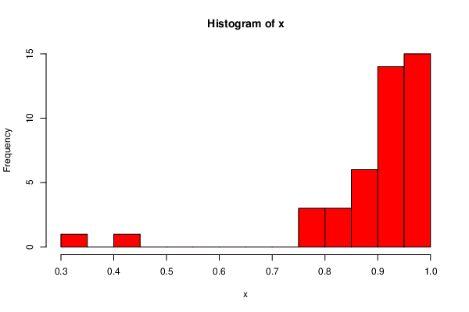
 | DeID | Transfer Status | Final.exam.percentage | Overall.weighted.course.percentage
20 | 1ORHZ9JA | TRUE | 0.833333333 | 0.923205128
41 | 3D3BRZB7 | TRUE | 0.841666667 | 0.94386218 | Final Exam | Overall
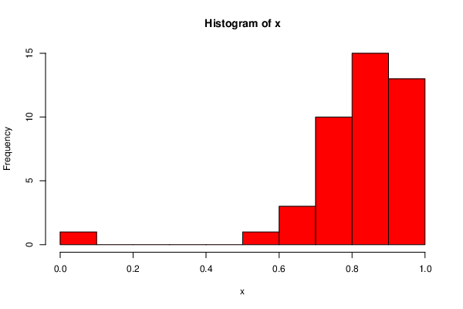
43 | 3LYT1R1X | TRUE | 0.875 | 0.935685897
53 | 51MR6YN1 | TRUE | 0.816666667 | 0.902858974
66 | 62IJ27VA | TRUE | 0.966666667 | 0.988333333
86 | 7S0FMBQB | TRUE | 0.9 | 0.961153846
97 | 8G81OREG | TRUE | 0.908333333 | 0.966634615
103 | 8YS6M6C0 | TRUE | 0.791666667 | 0.91575
116 | AO4WFFN0 | TRUE | 0.891666667 | 0.951955128
117 | ATWZ3PZ6 | TRUE | 0.833333333 | 0.941666667
128 | BCXJAPBJ | TRUE | 0 | 0.308923077
129 | BCZGCAJB | TRUE | 0.858333333 | 0.950849359
132 | BRYF73OQ | TRUE | 0.933333333 | 0.965349359
143 | CLU6PGGE | TRUE | 0.941666667 | 0.979583333
145 | CPS8CQC1 | TRUE | 0.775 | 0.796282051
156 | DAQ4SSPK | TRUE | 0.766666667 | 0.885333333
165 | EE22KW3L | TRUE | 0.816666667 | 0.918910256
167 | EH7RSDTQ | TRUE | 0.908333333 | 0.96150641
169 | EJSUZNPO | TRUE | 0.733333333 | 0.877692308
180 | FRJSIMSV | TRUE | 0.925 | 0.969916667
185 | GWUK4UCJ | TRUE | 0.725 | 0.807185897
188 | H0SFXTFC | TRUE | 0.841666667 | 0.912519231
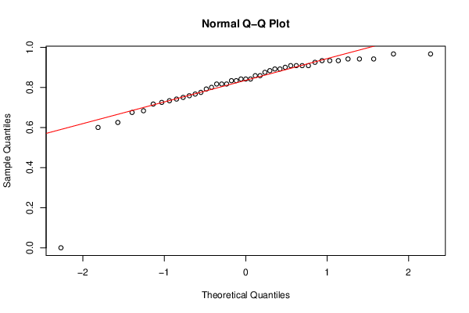
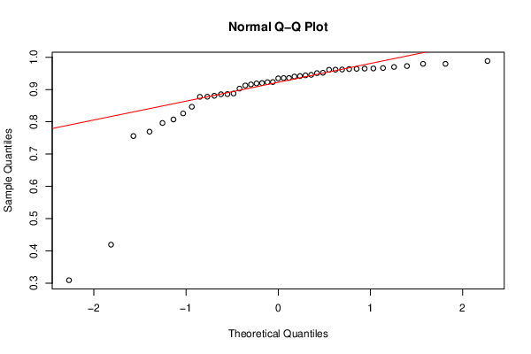
191 | H4HJIJP5 | TRUE | 0.625 | 0.419141608
200 | HSP1S3XY | TRUE | 0.966666667 | 0.964794872
213 | J1PCI69A | TRUE | 0.841666667 | 0.935608974
221 | JLRFPHJ2 | TRUE | 0.683333333 | 0.885833333
230 | KRBO4QLI | TRUE | 0.883333333 | 0.940192308
238 | M2SDZRSC | TRUE | 0.758333333 | 0.755788462
239 | M8DIDKOE | TRUE | 0.816666667 | 0.934551282
242 | MEIFG7HF | TRUE | 0.908333333 | 0.964070513
257 | NH0PIRTX | TRUE | 0.858333333 | 0.920160256
266 | OESLDMF1 | TRUE | 0.75 | 0.825903263
269 | ONQSHFR6 | TRUE | 0.716666667 | 0.846576923
286 | PVN05UGV | TRUE | 0.8 | 0.88774359
298 | QPUVTHZI | TRUE | 0.6 | 0.769282051
302 | QSP1VG5S | TRUE | 0.908333333 | 0.922788462
307 | R8MWFAI6 | TRUE | 0.941666667 | 0.979583333
310 | RK3060PU | TRUE | 0.891666667 | 0.962083333
320 | SNQLQ9XA | TRUE | 0.675 | 0.877403846
345 | UKS0XE1Y | TRUE | 0.933333333 | 0.972820513
347 | UOFWRHK7 | TRUE | 0.941666667 | 0.945480769
369 | WMYR9H6U | TRUE | 0.741666667 | 0.880608974
406 | ZNGQJMEC | TRUE | 0.933333333 | 0.963474359

